1. Title Page
Data Deep Dive

Project Name: Instacart Data Deep Dive
Date: July 26th 2025
Analyst Name: David Scheider

Contents:
Population Flow
Consistency checks
Wrangling steps
Column derivations
Visualizations
Recommendations
Data Source: “The Instacart Online Grocery Shopping Dataset 2017”, Accessed from www.instacart.com/datasets/grocery-shopping-2017 accessed via Kaggle on Jul. 1, 2025

2. Population Flow
 | Title page

Population flow

Exclusion flag
Condition: max_order <
Obervations to be removed:
Final total count of order_products_all:

Orders_products_combined
Orders_products_merged
Orders_products_all

Total: 32406041
Total: 32434489
Total:
32406041

1.) The grey boxes in the first row of the population flow represent the original data sets as they were when you downloaded them. In the Total fields you need to add the count of the rows when you imported the data set into Jupyter.
2.) The second row of boxes (coloured) represents the data sets after you manipulated them, e.g., removed missing values and duplicates. In the Total fields you need to add the count of the rows after conducting these operations. This offers a visual oveview of how the data flows throughout the data consistency checks.
3.) The third row, where also the arrows are coloured, represents the merges you performed between the datasets. In the Total fields you need to add the count of the rows in the merged datasets, so that you end up with the final dataset (in the red box). Keep in mind the final dataset should be without exclusions (based on the exclusion flag).

3. Consistency checks
 |  |  |  | Title page
Consistency checks

Dataset | Missing values | Missing values treatment | Duplicates
orders | No missing values were found
products | product_name (16) | deleted | 5 duplicates were found: product_ids: 462, 18459, 26810, 35309, 35495
orders_products_prior
customers | 11259 missing values for first_name | Imputed with 'Unknown' | No duplicates were found

4. Wrangling steps
 |  |  |  | Title page
Wrangling steps

Columns dropped | Columns renamed | Columns' type changed | Comment/Reason
eval_set
 |  | order_id to string | doesnt make sense to calculate an average
 |  | user_id to string | doesnt make sense to calculate an average
 | user_id to customer_id
 | df_customers: 'First Name' to 'First_Name' |  | For consistency
 | Surnam' to 'Surname' |  | Typo
 | STATE' to 'State' |  | For consistency
 |  | user_id' from object to string | For data analytics

5. Column derivations
 |  |  |  | Title page

Column derivations and aggregations

In this tab you should add tables below that the frequences of flags/label variables that you produced after deriving them. NB: don't do this for continuous variables, only for flags.
Dataset | New column | Column/s it was derived from | Conditions
Instacart | Busiest days | orders_days_of_week
 | Slowest days | orders_days_of_week
 | Regular day | orders_days_of_week

6. Visualizations
Title page

Visualisations

In this tab you should include all the visualtions from Exercises 4.9 and 4.10, alongside the questions from the project brief that they answer. Include any commentary on the relationship between different variables.

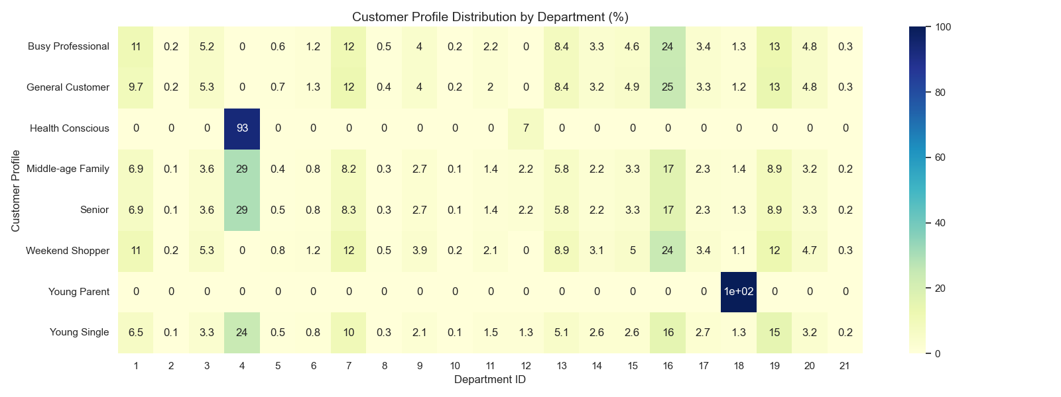

 |  | This chart shows which customer groups consumes which types of items

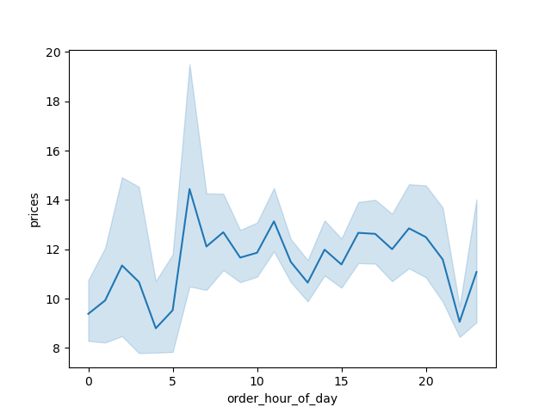

This chart shows at what time of day what kind of items are purchased.



 | This chart shows the income of the customers by age.



 | On which day of the week do customers order the most



 | At which time do customers order the most?

7. Recommendations
 |  | Title page

Recommendations

In this tab you should include any recommendations you would made to Instcart in terms of their marketing strategy based on the questions posed in the brief. Every key question has been covered in the Tasks of the Exercises - here you need to add an item - a visualisation or table/crosstable that is showing the answer in the data, acompanied by a comment from you. Please, list the questions below and add the answer underneath.

Question | Answer
Key Question 1: The sales team needs to know what the busiest days of the week and hours of the day are (i.e., the days and times with the most orders) in order to schedule ads at times when there are fewer orders. | The busiest days of the week are days 0 and 1
Key Question 2: Busiest hour of the day | The busiest hours of the day are hours 10 and 11
Key Question 3: What’s the distribution among users in regards to their brand loyalty (i.e., how often do they return to Instacart | 49 % of the customers fall within the "Regular customer" bracket, followed by "Loyal customers" (32 %) and "New customers" (19 %)
Key Question 4: The marketing and sales teams are particularly interested in the different types of customers in their system and how their ordering behaviors differ. | Yes, there are noticeable differences in ordering habits based on a customer’s loyalty status, particularly when it comes to product spending behavior. Loyal customers tend to purchase lower-priced items on average compared to regular and new customers. Mean price: $10.39 New customers have the highest average product spending. Mean price: $13.29 This could indicate that new customers are either testing premium products or making larger one-time purchases. Regular customers fall between the two, with a mean product price of $12.50.
Key Question 5: What’s the distribution among users in regards to their brand loyalty (i.e., how often do they return to Instacart)? | 16,469,114 customers are frequent customers (49 %), 12,521,787 customers are regulars (37%), and 3,415,135 (10%) are non-frequent customers.
Key Question 6: What differences can you find in ordering habits of different customer profiles? | Customers tend to order more expensive items in the early morning. Prices peak at 6am.
Key Question 7: What different classifications does the demographic information suggest? Family status? | Age does not appear to be a strong predictor of the number of dependents in this dataset. The relationship is essentially flat with random fluctuation around 1.5 dependents per person.
Key Question 8: What different classifications does the income and demographic information suggest? | There's a clear positive relationship between age and income - older individuals tend to have higher incomes overall. Lower income band: Dense concentration of data points below ~$300K across all age groups Higher income concentrations: Incomes above $400K are predominantly found in the 40-70 age range Peak earning years: The highest incomes (approaching $600K) appear most frequently between ages 50-70
Key Question 9: Are there differences in ordering habits based on a customer’s | The differences in spending habits are rather marginal. There are slightly more frequent customer in the West (66.87 %) than in the other regions. The differences are barely more than half a percentage point, though.
Key Question 10: What differences can you find in ordering habits of different customer profiles? Consider the frequency of orders | With an average of 19.3, 'Young Parents' order the most items

